Sheet1
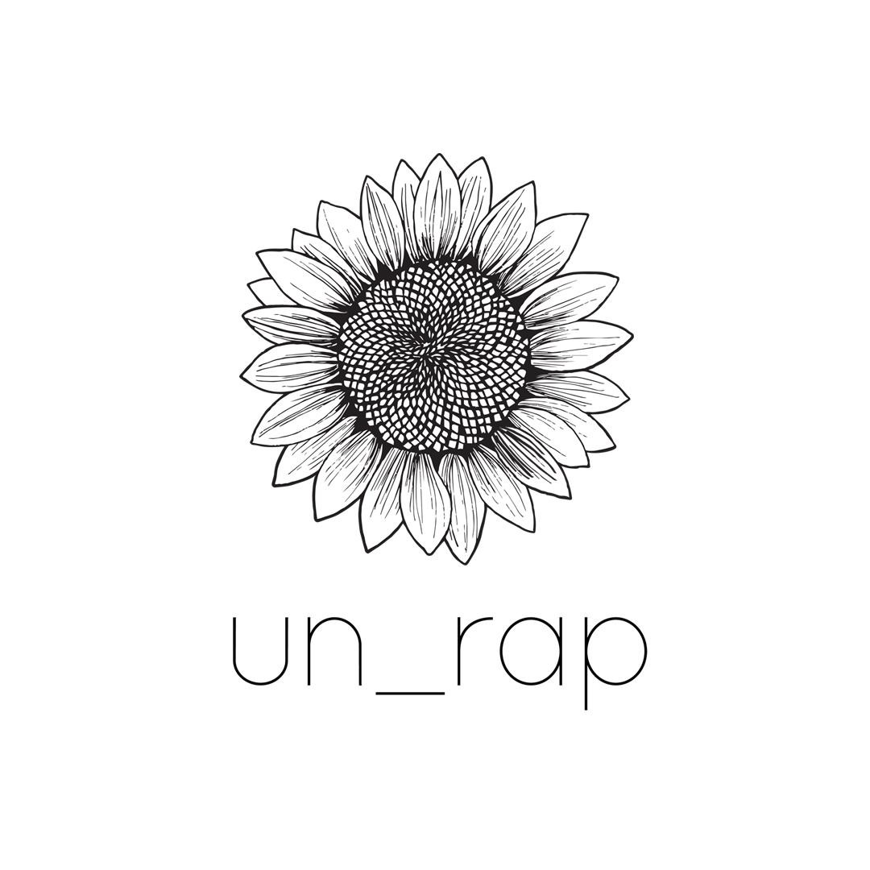 | ORDER FORM once completed email to info@un-rap.co.uk
 | Name:
 | Address for delivery & phone number:
 | OR collection from shop:
All our products are organic unless it states otherwise
HERBS & SPICES | COST PER 100g / 100ml | ORDER QTY g/ml | TOTAL COST PRICE | NOTES | TYPICAL SERVING / PACKET
All Spice | £2.00 |  | £0.00 |  | 30g spice pot
Basil | £2.00 |  | £0.00 |  | 15g spice pot
Black Peppercorns | £3.00 |  | £0.00 |  | 50g spice pot
Cardomon Pod | £10.00 |  | £0.00 |  | 15g spice pot
Caraway Seeds | £2.00 |  | £0.00 |  | 30g spice pot
Cayenne Pepper | £2.00 |  | £0.00 |  | 30g spice pot
Chilli - Ground | £1.00 |  | £0.00 |  | 30g spice pot
Chilli - Flakes | £4.00 |  | £0.00 |  | 30g spice pot
Cinnamon - Ground | £3.00 |  | £0.00 |  | 30g spice pot
Cinnamon - Sticks | £6.00 |  | £0.00 |  | 20g spice pot
Coriander - Ground | £3.00 |  | £0.00 |  | 30g spice pot
Coriander Seeds | £3.00 |  | £0.00 |  | 30g spice pot
Cloves - Whole | £4.00 |  | £0.00 |  | 20g spice pot
Cumin - Ground | £3.00 |  | £0.00 |  | 30g spice pot
Cumin Seeds | £3.00 |  | £0.00 |  | 30g spice pot
Curry Powder | £3.00 |  | £0.00 |  | 30g spice pot
Fennel Seeds | £2.00 |  | £0.00 |  | 30g spice pot
Fenugreek Seeds | £2.00 |  | £0.00 |  | 30g spice pot
Garam Masala | £3.00 |  | £0.00 |  | 30g spice pot
Garlic Powder | £3.00 |  | £0.00 |  | 30g spice pot
Ginger - Ground | £2.00 |  | £0.00 |  | 30g spice pot
Mixed Herbs | £2.00 |  | £0.00 |  | 15g spice pot
Mixed spice | £2.00 |  | £0.00 |  | 30g spice pot
Mustard seeds | £2.00 |  | £0.00 |  | 30g spice pot
Nutmeg - Ground | £3.00 |  | £0.00 |  | 30g spice pot
Nutmegs - Whole | £4.00 |  | £0.00 |  | 1 nutmeg weighs approx 5g
Oregano | £3.00 |  | £0.00 |  | 15g spice pot
Paprika - Sweet | £3.00 |  | £0.00 |  | 125g pot
Paprika - Smoked | £4.00 |  | £0.00 |  | 30g spice pot
Parsley | £2.00 |  | £0.00 |  | 15g spice pot
Rosemary | £2.00 |  | £0.00 |  | 20g spice pot
Sage | £2.00 |  | £0.00 |  | 15g spice pot
Sea Salt (Cornish Sea Salt Co) | £1.30 |  | £0.00 |  | 225g is the average Cornish Sea Salt pot
Star Anise | £4.00 |  | £0.00 |  | 20g spice pot
Sumac | £3.00 |  | £0.00 |  | 30g spice pot
Thyme | £3.00 |  | £0.00 |  | 15g spice pot
Turmeric | £3.00 |  | £0.00 |  | 30g spice pot

All our products are organic unless it states otherwise
BAKING
Baking Powder (gluten free) | £0.62 |  | £0.00 |  | 100g pot
Bi Carbonate of Soda (gluten free) | £0.40 |  | £0.00 |  | 180g pot
Cocoa Powder | £1.08 |  | £0.00 |  | 125g pot
Cornflour | £0.70 |  | £0.00 |  | 500g B+box
Flour - Buckwheat (gluten free) | £0.45 |  | £0.00 |  | 1kg
Flour - Chickpea (gluten free) | £0.30 |  | £0.00 |  | 1kg
Flour - Plain White Flour (Doves) | £0.15 |  | £0.00 |  | 1kg
Flour - Self Raising White Flour (Doves) | £0.15 |  | £0.00 |  | 1kg
Flour - Spelt White Flour (Doves) | £0.34 |  | £0.00 |  | 1kg
Flour - Spelt Wholemeal Flour (Doves) | £0.34 |  | £0.00 |  | 1kg
Flour - Strong White Flour (Doves) | £0.15 |  | £0.00 |  | 1kg
Flour - Strong Wholemeal Flour (Doves) | £0.15 |  | £0.00 |  | 1kg
Flour - Rye Wholemeal (Doves) | £1.08 |  | £0.00 |  | 1kg
Sugar - Caster (unrefined) | £0.45 |  | £0.00 |  | 500g
Sugar - Coconut | £0.70 |  | £0.00 |  | 500g
Sugar - Demerara (non organic) | £0.35 |  | £0.00 |  | 500g
Sugar - Icing | £0.56 |  | £0.00 |  | 500g
Sugar - Muscovado - light | £0.42 |  | £0.00 |  | 500g

COOKING CONDIMENTS
Nutritional Yeast (Engevita with B12) | £3.10 |  | £0.00 |  | 125g pot
Sosmix - non organic | £1.00 |  | £0.00 |  | 150g makes approx 6 sausages
Sunflower Mince | £2.70 |  | £0.00 |  | 75g serving for meal for 4
Veg Bouillon (Marigold, vegan) | £1.30 |  | £0.00 |  | 150g pot
Vital Wheat Gluten | £0.60 |  | £0.00

TEA / COFFEE
Coffee: Olfactory - Roasted in Penryn
Coffee Beans Knockout - non organic | £3.00 |  | £0.00 |  | 225g bag
Coffee Beans Decaff - organic | £3.30 |  | £0.00 |  | 225g bag
Coffee Bean Steadfast - organic | £3.10 |  | £0.00 |  | 225g bag

Tea: Teasme Oragnic Teas - Blended in Devon
Loose Tea - Breakfast/Propertea | £4.00 |  | £0.00 |  | 70g bag
Loose Tea - Chamomile | £4.00 |  | £0.00 |  | 70g bag
Loose Tea - Earl Grey | £4.60 |  | £0.00 |  | 70g bag
Loose Tea - Green Tea | £4.00 |  | £0.00 |  | 70g bag
Loose Tea - Lapsang Souchong | £4.00 |  | £0.00 |  | 70g bag
Loose Tea - Spearmint w/ Green Tea | £4.00 |  | £0.00 |  | 70g bag
Loose Tea - Rooibos | £4.00 |  | £0.00 |  | 70g bag

All our products are organic unless it states otherwise
CEREALS
Apple & Cinnamon Cereal (vegan, added sugar) | £0.82 |  | £0.00 |  | 375g bag
Bran Flakes | £0.75 |  | £0.00 |  | 375g bag
Cornflakes (just corn) | £0.87 |  | £0.00 |  | 375g bag
Fruit Crunch Cereal (vegan, no added sugar) | £0.53 |  | £0.00 |  | 375g bag
Granola (vegan, no refined sugar) | £0.70 |  | £0.00 |  | 375g bag
Oats - Gluten Free Jumbo | £0.38 |  | £0.00 |  | 500g bag
Oats - Jumbo | £0.20 |  | £0.00 |  | 500g bag
Oats - Rolled | £0.20 |  | £0.00 |  | 500g bag
Oats - Pinhead | £0.22 |  | £0.00 |  | 500g bag
Muesli Deluexe (vegan, no added sugar) | £0.48 |  | £0.00 |  | 500g bag
Quinoa Flakes | £0.82 |  | £0.00 |  | 350g bag

All our products are organic unless it states otherwise
DRIED FRUITS
Apricots (unsulphered) | £1.03 |  | £0.00 |  | 100g is a small handful
Apple Rings | £3.00 |  | £0.00 |  | 100g is a large handful
Banana Chips | £0.76 |  | £0.00 |  | 100g is a large handful
Cherries - Sour | £1.80 |  | £0.00 |  | 100g is handful
Cranberries | £1.87 |  | £0.00 |  | 100g is handful
Dates (pitted) | £0.80 |  | £0.00 |  | 100g approx 20 dates
Desicated Coconut | £0.70 |  | £0.00 |  | 100g is a handful
Figs | £1.40 |  | £0.00 |  | 100g approx 6 figs
Fruit & Nut Mix | £1.55 |  | £0.00 |  | 100g is a handful
Goji Berries | £2.30 |  | £0.00 |  | 100g is a handful
Mixed Vine Fruit | £0.80 |  | £0.00 |  | 100g is a handful
Mango Slices | £2.10 |  | £0.00 |  | 100g is handful
Prunes | £1.45 |  | £0.00 |  | 100g is a small handful
Raisins | £0.61 |  | £0.00 |  | 100g is handful
Sultanas | £0.57 |  | £0.00 |  | 100g is handful
Sundried Tomatoes | £1.05 |  | £0.00 |  | 100g is large handful
Toasted Coconut Chips | £1.04 |  | £0.00 |  | 100g is large handful
Whole Dried Chilies (non organic) | £2.50 |  | £0.00 |  | 40g is large handful

All our products are organic unless it states otherwise
NUTS
Almonds - Whole | £2.20 |  | £0.00 |  | 100g snack bag
Almonds - Flaked | £2.24 |  | £0.00 |  | 100g bag
Almonds - Ground (non organic) | £1.50 |  | £0.00 |  | 200g bag
Brazil Nuts | £2.00 |  | £0.00 |  | 100g snack bag
Cashew - Whole | £2.30 |  | £0.00 |  | 100g snack bag
Hazelnuts | £1.85 |  | £0.00 |  | 100g snack bag
Peanuts | £0.65 |  | £0.00 |  | 100g snack bag
Peanut Butter | £0.83 |  | £0.00 |  | 340g Pot
Pecan - Halves | £3.90 |  | £0.00 |  | 100g snack bag
Pine Nuts | £3.65 |  | £0.00 |  | 50-100g pots
Walnut - Halves | £2.05 |  | £0.00 |  | 100g snack bag

SEEDS
Chia Seeds | £0.70 |  | £0.00 |  | 100g snack bag
Hemp Seed - hulled/hearts | £1.30 |  | £0.00 |  | 100g is a small jars worth
Hemp Seed - whole | £0.40 |  | £0.00 |  | 100g is a small jars worth
Linseed - gold, whole (same as Flaxseed) | £0.54 |  | £0.00 |  | 100g is a small jars worth
Poppy Seed | £1.20 |  | £0.00 |  | 100g is a small jars worth
Pumpkin Seeds (Austrian) | £1.34 |  | £0.00 |  | 100g large handful
Sesame Seeds - white, hulled | £0.85 |  | £0.00 |  | 100g is a small jars worth
Sesame Seeds - black, whole | £0.95 |  | £0.00 |  | 100g is a small jars worth
Seed Mix - pumpkin, sunflower, linseed, sesame | £0.70 |  | £0.00 |  | 100g is a small jars worth
Sunflower Seeds | £0.44 |  | £0.00 |  | 100g large handful

All our products are organic unless it states otherwise
CHOCOLATE & SNACKS
Dark Chocolate Buttons 73% - vegan | £1.80 |  | £0.00 |  | 100g snack bag
Dark Chocolate Buttons 55% - vegan | £1.80 |  | £0.00 |  | 100g snack bag
Milk Chocolate Buttons | £1.80 |  | £0.00 |  | 100g snack bag
White Chocolate Buttons | £1.80 |  | £0.00 |  | 100g snack bag
Banana Chips | £0.76 |  | £0.00 |  | 100g is a large handful
Bombay Mix | £0.63 |  | £0.00 |  | 100g snack bag
Cacao Nibs - raw | £1.50 |  | £0.00 |  | 100g snack bag
Carob Coated Peanuts (not vegan, not organic) | £0.83 |  | £0.00 |  | 100g snack bag
Carob Coated Raisins (not vegan, not organic) | £0.80 |  | £0.00 |  | 100g snack bag
Crystilised Ginger | £2.30 |  | £0.00 |  | 100g snack bag
Dark Chocolate Coated Brazil Nuts (not vegan, not organic) | £1.20 |  | £0.00 |  | 100g is approx 10 nuts
Milk Chocolate Coated Peanuts (not vegan, not organic) | £0.84 |  | £0.00 |  | 100g snack bag
Japanese Rice Crackers (vegan, not organic, peanuts) | £0.89 |  | £0.00 |  | 100g snack bag
Popping Corn | £0.28 |  | £0.00 |  | 100g roughly serves 4
Raw Chocolate Almonds (vegan) | £3.70 |  | £0.00 |  | 100g snack bag
Raw Salted Vegan Banoffee Cashews (vegan) | £3.90 |  | £0.00 |  | 100g snack bag
Yoghurt Coated Peanuts (not vegan, not organic) | £0.84 |  | £0.00 |  | 100g snack bag
Yoghurt Coated Raisins (not vegan, not organic) | £0.80 |  | £0.00 |  | 100g snack bag
Wasabi Peas (vegan, not organic) | £1.20 |  | £0.00 |  | 100g snack bag
Tony's Chocolonely Bar (various) | £4.10 |  | £0.00

All our products are organic unless it states otherwise
GRAINS
Buckwheat | £0.35 |  | £0.00 |  | 500g bag or 75g serving size
Bulgur Wheat | £0.26 |  | £0.00 |  | 500g bag or 65g serving size
Cous Cous - Giant | £0.60 |  | £0.00 |  | 500g bag or 60g serving size
Cous Cous - Wholemeal | £0.33 |  | £0.00 |  | 500g bag or 85g serving size
Millet | £0.32 |  | £0.00 |  | 500g bag or 60g serving size
Noodles - Rice/Vermicelli (gluten free) | £1.00 |  | £0.00 |  | 1 noodle nest approx 40g = 1/2 portion/1 portion
Pearl Barley | £0.21 |  | £0.00 |  | 500g bag or 60g serving size
Polenta | £0.35 |  | £0.00 |  | 50-75g serving size
Quinoa - Tri Colour | £0.65 |  | £0.00 |  | 500g bag or 60g serving size
Quinoa - White | £0.62 |  | £0.00 |  | 500g bag or 60g serving size
Rice - Arborio/Risotto White | £0.47 |  | £0.00 |  | 500g bag or 85g serving size
Rice - Basmati White | £0.45 |  | £0.00 |  | 500g bag or 75g serving size
Rice - Basmati Brown | £0.40 |  | £0.00 |  | 500g bag or 60g serving size
Rice - Black | £0.60 |  | £0.00 |  | 500g bag or 60g serving size
Rice - Jasmine White | £0.39 |  | £0.00 |  | 500g bag or 60g serving size
Rice - Short Grain Brown | £0.27 |  | £0.00 |  | 500g bag or 60g serving size

PASTA
Gomitini - White Mini Macaroni | £0.30 |  | £0.00 |  | 500g bag or 60g serving size
Gomitini - Wholewheat Mini Macaroni | £0.30 |  | £0.00 |  | 500g bag or 60g serving size
Farfalle - White Bow Shape | £0.39 |  | £0.00 |  | 500g bag or 90g serving size
Fusilli - Corn (Gluten Free) | £0.50 |  | £0.00 |  | 500g bag or 90g serving size
Fusilli - White | £0.30 |  | £0.00 |  | 500g bag or 90g serving size
Fusilli - Wholewheat | £0.30 |  | £0.00 |  | 500g bag or 90g serving size
Orzo | £0.34 |  | £0.00 |  | 500g bag or 60g serving size
Penne - White | £0.30 |  | £0.00 |  | 500g bag or 90g serving size
Penne - Wholewheat | £0.30 |  | £0.00 |  | 500g bag or 90g serving size
Spagetti - White | £0.30 |  | £0.00 |  | 500g bag or 90g serving size
Spaghetti - Wholewheat | £0.30 |  | £0.00 |  | 500g bag or 60g serving size
Spaghetti - Rice & Corn (Gluten Free) | £0.58 |  | £0.00 |  | 500g bag or 60g serving size

All our products are organic unless it states otherwise
BEANS & PULSES
Beans - Black Turtle Beans | £0.30 |  | £0.00 |  | 120g dried = 240g tin of ready to eat
Beans - Butter Beans | £0.60 |  | £0.00 |  | 500g bag or 60g serving size
Beans - Mixed Beans | £0.43 |  | £0.00 |  | 500g bag or 60g serving size
Beans - Mung Beans | £0.47 |  | £0.00 |  | 120g dried = 240g tin of ready to eat
Beans - Pinto Beans | £0.40 |  | £0.00 |  | 120g dried = 240g tin of ready to eat
Beans - Soya Beans | £0.26 |  | £0.00 |  | 120g dried = 240g tin of ready to eat
Lentils - Beluga/Black | £0.60 |  | £0.00 |  | 500g bag or 60g serving size
Lentils - French/Puy | £0.50 |  | £0.00 |  | 500g bag or 40g serving size
Lentils - Red Split | £0.36 |  | £0.00 |  | 500g bag or 40g serving size
Peas - Chickpeas | £0.37 |  | £0.00 |  | 120g dried = 240g tin of ready to eat
Peas - Yellow Split Peas | £0.27 |  | £0.00 |  | 120g dried = 240g tin of ready to eat
Soup Mix - red & brown lentils, yellow & green split peas, pearl barley | £0.37 |  | £0.00 |  | 500g bag or 60g serving size

All our products are organic unless it states otherwise
OILS, VINEGARS & SYRUPS
Apple Cider Vinegar (locally made w/ mother) | £1.00 |  | £0.00 |  | 250ml Bottle or large 500ml Bottle
Balsamic Vinegar | £0.88 |  | £0.00 |  | 250ml Bottle
Olive Oil - non oragnic (extra virgin) | £1.10 |  | £0.00 |  | 500ml Bottle
Olive Oil - organic (extra virgin) | £1.90 |  | £0.00 |  | 500ml Bottle
Rapeseed Oil | £0.40 |  | £0.00 |  | 500ml Bottle
Sunflower Oil | £0.55 |  | £0.00 |  | 500ml Bottle
Soya Shoyu Sauce | £1.20 |  | £0.00 |  | 200ml Bottle
Tamari Sauce (double strength) | £2.00 |  | £0.00 |  | 200ml Bottle

CLEANING PRODUCT, SHAMPOO & SOAP REFILLS
Brand: SESI - our 20L containers are sent back to be refilled, so no waste up the chain. Supporting a small British Company.
Fabric Conditioner | £0.20 |  | £0.00 |  | 50ml per wash
Laundry Powder | £0.50 |  | £0.00 |  | soft water 30-60g per wash
Laundry Liquid | £0.30 |  | £0.00 |  | approx 25ml per wash
Multi Surface Sanitiser | £0.35 |  | £0.00 |  | for spray recommend half concentrate half water
Toilet Cleaner | £0.30 |  | £0.00 |  | approx 25ml per wash
Washing Up Liquid | £0.20 |  | £0.00 |  | approx 15ml per wash
Dishwasher Powder | £0.46 |  | £0.00 |  | approx 20g per rinse
Oxi Bleech / It'll Be All White / Stain Remover | £0.69 |  | £0.00 |  | approx 60g per wash
Liquid Hand & Body Soap | £0.45 |  | £0.00 |  | approx 15ml per wash
Shampoo - Grapefruit (Alternative Suma) | £0.78 |  | £0.00 |  | approx 15ml per wash
Conditioner - Grapefruit (Alternative Suma) | £0.78 |  | £0.00 |  | approx 15ml per wash
Hand Sanatizer Gel Refill | £1.60 |  | £0.00 |  | Small gel bottles: 100ml

HOUSEHOLD ACCESSORIES | PER UNIT
Baking parchment paper (If You Care) | £4.65 |  | £0.00
Foil (If You Care) | £3.50 |  | £0.00
Washing Up Brush (LoofCo) | £2.80 |  | £0.00 | Coconut Husk
Washing Up Brush with Handle (LoofCo) | £3.50 |  | £0.00 | Coconut Husk
Cleaning Pad (LoofCo) | £5.00 |  | £0.00 | Loofah
...

